STAGE 1
 |  | Huge stones | Metal Particles | Excess Liquidity | Loss at Conveyor | Roots | Total defectives | Sample inspected
1 | Shift 1 | 15 | 3 | 1 | 1 | 7 | 27 | 267
2 | Shift 2 | 13 | 2 | 2 | 0 | 5 | 22 | 250
3 | Shift 3 | 15 | 5 | 0 | 1 | 2 | 23 | 244
4 | Shift 1 | 10 | 1 | 3 | 2 | 8 | 24 | 254
5 | Shift 2 | 17 | 2 | 1 | 0 | 5 | 25 | 240
6 | Shift 3 | 13 | 4 | 0 | 0 | 4 | 21 | 265
7 | Shift 1 | 10 | 0 | 1 | 0 | 6 | 17 | 234
8 | Shift 2 | 17 | 1 | 2 | 0 | 4 | 24 | 267
9 | Shift 3 | 10 | 0 | 0 | 0 | 5 | 15 | 234
10 | Shift 1 | 14 | 0 | 0 | 0 | 5 | 19 | 267
11 | Shift 2 | 15 | 0 | 2 | 0 | 7 | 24 | 232
12 | Shift 3 | 16 | 1 | 1 | 0 | 8 | 26 | 245
13 | Shift 1 | 19 | 1 | 2 | 1 | 4 | 27 | 255
14 | Shift 2 | 14 | 1 | 3 | 3 | 9 | 30 | 260
15 | Shift 3 | 12 | 0 | 3 | 0 | 8 | 23 | 266
16 | Shift 1 | 16 | 2 | 1 | 2 | 8 | 29 | 254
17 | Shift 2 | 12 | 1 | 0 | 1 | 4 | 18 | 244
18 | Shift 3 | 18 | 4 | 2 | 2 | 9 | 35 | 254
19 | Shift 1 | 19 | 0 | 3 | 0 | 6 | 28 | 234
20 | Shift 2 | 17 | 1 | 0 | 0 | 6 | 24 | 256
21 | Shift 3 | 14 | 2 | 0 | 0 | 4 | 20 | 245
22 | Shift 1 | 15 | 2 | 1 | 0 | 3 | 21 | 266
23 | Shift 2 | 12 | 0 | 0 | 2 | 0 | 14 | 265
24 | Shift 3 | 18 | 1 | 2 | 1 | 6 | 28 | 265
25 | Shift 1 | 17 | 2 | 0 | 0 | 3 | 22 | 254
26 | Shift 2 | 13 | 0 | 0 | 0 | 4 | 17 | 244
27 | Shift 3 | 10 | 1 | 1 | 0 | 6 | 18 | 268
28 | Shift 1 | 13 | 2 | 3 | 1 | 6 | 25 | 254
29 | Shift 2 | 12 | 0 | 1 | 2 | 4 | 19 | 235
30 | Shift 3 | 10 | 1 | 1 | 0 | 9 | 21 | 265
 | COUNT | 426 | 40 | 36 | 19 | 165 | 686 | 7583

 |  | DPMO | 18093.102994 | 0.018093102994
 |  | SIGMA | 3.5948288897

SI NO. | Total defectives | Total Checked | Pi | LCL | CL | UCL
1 | 27 | 267 | 0.10112359551 | 0.037865489232 | 0.090552681461 | 0.14323987369
2 | 22 | 250 | 0.088 | 0.036103584496 | 0.090552681461 | 0.14500177843
Process 1
3 | 23 | 244 | 0.094262295082 | 0.035438194059 | 0.090552681461 | 0.14566716886
4 | 24 | 254 | 0.094488188976 | 0.036534018891 | 0.090552681461 | 0.14457134403
5 | 25 | 240 | 0.10416666667 | 0.034980804578 | 0.090552681461 | 0.14612455834
6 | 21 | 265 | 0.079245283019 | 0.037667043361 | 0.090552681461 | 0.14343831956
7 | 17 | 234 | 0.07264957265 | 0.034272854039 | 0.090552681461 | 0.14683250888
8 | 24 | 267 | 0.089887640449 | 0.037865489232 | 0.090552681461 | 0.14323987369
9 | 15 | 234 | 0.064102564103 | 0.034272854039 | 0.090552681461 | 0.14683250888
10 | 19 | 267 | 0.071161048689 | 0.037865489232 | 0.090552681461 | 0.14323987369
11 | 24 | 232 | 0.10344827586 | 0.034030789148 | 0.090552681461 | 0.14707457377
12 | 26 | 245 | 0.10612244898 | 0.035550787613 | 0.090552681461 | 0.14555457531
13 | 27 | 255 | 0.10588235294 | 0.036640041884 | 0.090552681461 | 0.14446532104
14 | 30 | 260 | 0.11538461538 | 0.037160949168 | 0.090552681461 | 0.14394441375
15 | 23 | 266 | 0.086466165414 | 0.03776654606 | 0.090552681461 | 0.14333881686
16 | 29 | 254 | 0.11417322835 | 0.036534018891 | 0.090552681461 | 0.14457134403
17 | 18 | 244 | 0.073770491803 | 0.035438194059 | 0.090552681461 | 0.14566716886
18 | 35 | 254 | 0.13779527559 | 0.036534018891 | 0.090552681461 | 0.14457134403
19 | 28 | 234 | 0.11965811966 | 0.034272854039 | 0.090552681461 | 0.14683250888
20 | 24 | 256 | 0.09375 | 0.036745443039 | 0.090552681461 | 0.14435991988
21 | 20 | 245 | 0.081632653061 | 0.035550787613 | 0.090552681461 | 0.14555457531
22 | 21 | 266 | 0.078947368421 | 0.03776654606 | 0.090552681461 | 0.14333881686
23 | 14 | 265 | 0.052830188679 | 0.037667043361 | 0.090552681461 | 0.14343831956
24 | 28 | 265 | 0.10566037736 | 0.037667043361 | 0.090552681461 | 0.14343831956
25 | 22 | 254 | 0.086614173228 | 0.036534018891 | 0.090552681461 | 0.14457134403
26 | 17 | 244 | 0.069672131148 | 0.035438194059 | 0.090552681461 | 0.14566716886
27 | 18 | 268 | 0.067164179104 | 0.037963878099 | 0.090552681461 | 0.14314148482
28 | 25 | 254 | 0.09842519685 | 0.036534018891 | 0.090552681461 | 0.14457134403
29 | 19 | 235 | 0.08085106383 | 0.034392726012 | 0.090552681461 | 0.14671263691
30 | 21 | 265 | 0.079245283019 | 0.037667043361 | 0.090552681461 | 0.14343831956
 |  |  | 2.7165804438
 |  | P-BAR | 0.090552681461

Pareto Analysis of Process 1
SI.NO. | Defects | Quantity Rejected | Rejection % | Cumulative %
1 | Huge stones | 426 | 62.099125364 | 62.099125364
2 | Roots | 165 | 24.052478134 | 86.151603499
3 | Metal Particles | 40 | 5.8309037901 | 91.982507289
4 | Excess Liquidity | 36 | 5.2478134111 | 97.2303207
5 | Loss at Conveyor | 19 | 2.7696793003 | 100
 | Total Sum | 686

 |  |  |  | Huge Stones

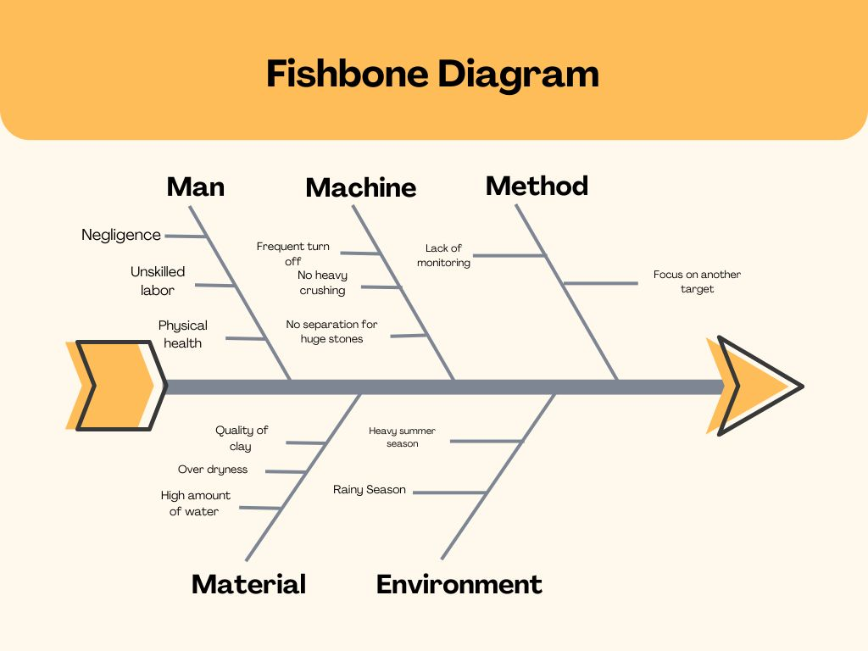

 |  |  |  |  |  |  |  |  | `

 |  |  |  | Roots

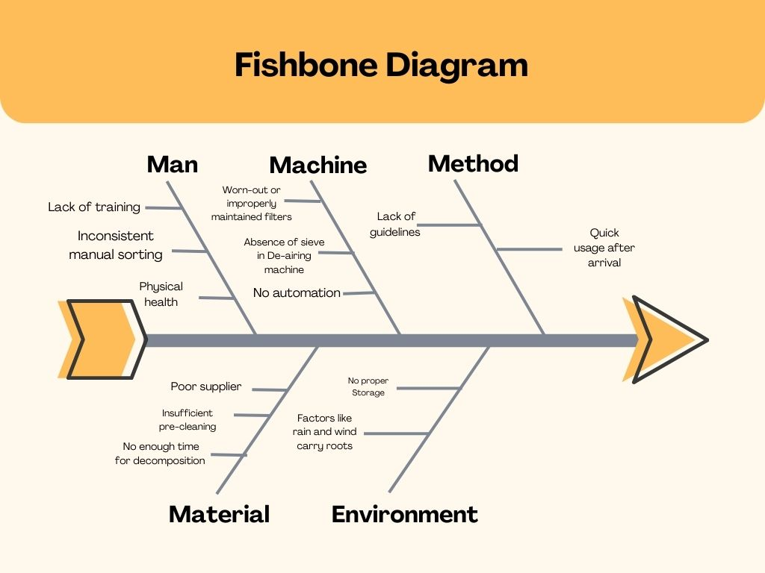

 | AHP AND QFD WITH HOQ

 | CRITERIA
1 | Frequency of Occurrence (FREQ)
2 | Severity of Impact (SEV)
3 | Cost of Repair/Rework (COST)
4 | Customer Impact (CUST)

 | Pairwise comparison of criteria

 | FREQ | SEV | COST | CUST |  |  |  |  |  |  | Normalised weight | weight sum vector | consistency vector
FREQ | 1.00 | 0.33 | 3.00 | 0.50 |  | 0.1579778831 | 0.18032786885 | 0.25 | 0.10351966874 | 0.69182542069 | 0.17295635517 | 0.69468025092 | 4.016506073 | lambda | 4.0802540402
SEV | 3.00 | 1.00 | 5.00 | 3.00 |  | 0.47393364929 | 0.54644808743 | 0.41666666667 | 0.62111801242 | 2.0581664158 | 0.51454160395 | 2.1274561089 | 4.1346629554 | CI | 0.026751346739
COST | 0.33 | 0.20 | 1.00 | 0.33 |  | 0.052132701422 | 0.10928961749 | 0.083333333333 | 0.068322981366 | 0.31307863361 | 0.078269658402 | 0.31555026262 | 4.0315783799 | CR | 0.029723718599
CUST | 2.00 | 0.30 | 3.00 | 1.00 |  | 0.31595576619 | 0.16393442623 | 0.25 | 0.20703933747 | 0.9369295299 | 0.23423238247 | 0.96931654921 | 4.1382687525
 | 6.33 | 1.83 | 12.00 | 4.83

 | Pairwise comparisons for Alternatives - Defect types

FREQUENCY
 |  | Huge stones | Roots | Metal Particles |  |  |  |  |  |  | Normalised weight | weight sum vector | consistency vector
 | Huge stones | 1.00 | 7.00 | 9.00 |  |  | 0.79746835443 | 0.84 | 0.69 | 2.33 | 0.78 | 2.4774683544 | 3.1901800491 | lambda | 3.0821412747
 | Roots | 0.14 | 1.00 | 3.00 |  |  | 0.11392405063 | 0.12 | 0.23 | 0.46 | 0.15 | 0.47137014884 | 3.0431049966 | CI | 0.041070637347
 | Metal Particles | 0.11 | 0.33333333333 | 1 |  |  | 0.088607594937 | 0.04 | 0.08 | 0.21 | 0.07 | 0.20643081251 | 3.0131387783 | CR | 0.070811443702
 |  | 1.25 | 8.33 | 13.00

SEVERITY
 |  | Huge stones | Roots | Metal Particles |  |  |  |  |  |  | Normalised weight | weight sum vector | consistency vector
 | Huge stones | 1 | 0.33333333333 | 3 |  |  | 0.23076923077 | 0.21739130435 | 0.33333333333 | 0.78149386845 | 0.26049795615 | 0.79008216689 | 3.0329687748 | lambda | 3.038714681
 | Roots | 3 | 1 | 5 |  |  | 0.69230769231 | 0.65217391304 | 0.55555555556 | 1.9000371609 | 0.6333457203 | 1.9456212065 | 3.0719734011 | CI | 0.01935734048
 | Metal Particles | 0.33333333333 | 0.2 | 1 |  |  | 0.076923076923 | 0.13043478261 | 0.11111111111 | 0.31846897064 | 0.10615632355 | 0.31965811966 | 3.011201867 | CR | 0.033374724965
 |  | 4.3333333333 | 1.5333333333 | 9

COST
 |  | Huge stones | Roots | Metal Particles |  |  |  |  |  |  | Normalised weight | weight sum vector | consistency vector
 | Huge stones | 1 | 0.5 | 4 |  |  | 0.30769230769 | 0.3 | 0.36363636364 | 0.97132867133 | 0.32377622378 | 0.97435897436 | 3.0093592513 | lambda | 3.0092127534
 | Roots | 2 | 1 | 6 |  |  | 0.61538461538 | 0.6 | 0.54545454545 | 1.7608391608 | 0.58694638695 | 1.7701631702 | 3.0158856235 | CI | 0.0046063767205
 | Metal Particles | 0.25 | 0.16666666667 | 1 |  |  | 0.076923076923 | 0.1 | 0.090909090909 | 0.26783216783 | 0.089277389277 | 0.26804584305 | 3.0023933856 | CR | 0.0079420288285
 |  | 3.25 | 1.6666666667 | 11

CUSTOMER
 |  | Huge stones | Roots | Metal Particles |  |  |  |  |  |  | Normalised weight | weight sum vector | consistency vector
 | Huge stones | 1 | 3 | 5 |  |  | 0.65217391304 | 0.66666666667 | 0.625 | 1.9438405797 | 0.6479468599 | 1.9484702093 | 3.0071450761 | lambda | 3.0036966678
 | Roots | 0.33333333333 | 1 | 2 |  |  | 0.21739130435 | 0.22222222222 | 0.25 | 0.68961352657 | 0.22987117552 | 0.6902173913 | 3.0026269702 | CI | 0.0018483339174
 | Metal Particles | 0.2 | 0.5 | 1 |  |  | 0.13043478261 | 0.11111111111 | 0.125 | 0.36654589372 | 0.12218196457 | 0.36670692432 | 3.0013179572 | CR | 0.0031867826163
 |  | 1.5333333333 | 4.5 | 8

 |  |  |  | FREQ | SEV | COST | CUST | PRIORITY
 |  |  | Huge stones | 0.78 | 0.26 | 0.32 | 0.65 | 0.45
 |  |  | Roots | 0.15 | 0.63 | 0.59 | 0.23 | 0.45
 |  |  | Metal Particles | 0.07 | 0.11 | 0.09 | 0.12 | 0.10

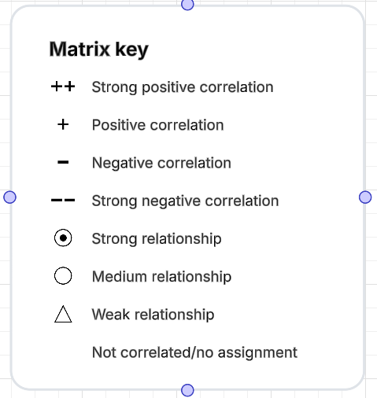

 | Huge stones | Metal Particles | Excess Liquidity | Loss at Conveyor | Roots | Total defectives | Sample inspected
Shift 1 | 10 | 0 | 1 | 1 | 5 | 17 | 283
Shift 2 | 9 | 2 | 2 | 0 | 6 | 19 | 290
Shift 3 | 8 | 4 | 0 | 1 | 2 | 15 | 250
Shift 1 | 11 | 1 | 2 | 1 | 1 | 16 | 255
Shift 2 | 12 | 2 | 1 | 0 | 6 | 21 | 243
Shift 3 | 7 | 3 | 0 | 0 | 7 | 17 | 267
Shift 1 | 9 | 0 | 1 | 0 | 8 | 18 | 256
Shift 2 | 13 | 1 | 1 | 0 | 2 | 17 | 250
Shift 3 | 7 | 0 | 0 | 0 | 2 | 9 | 240
Shift 1 | 10 | 2 | 0 | 1 | 1 | 14 | 267
Shift 2 | 10 | 0 | 0 | 0 | 3 | 13 | 256
Shift 3 | 9 | 0 | 1 | 0 | 4 | 14 | 260
COUNT | 115 | 15 | 9 | 4 | 47 | 190 | 3117

 |  |  | DPMO | 12191.209496 | 0.012191209496
 |  |  | SIGMA | 3.7510492378

Post analysis of Stage 1
SI NO. | Total defectives | Total Checked | Pi | LCL | CL | UCL
1 | 17 | 283 | 0.060070671378 | 0.0182804839 | 0.060941461387 | 0.10360243887
2 | 19 | 290 | 0.065517241379 | 0.018798502837 | 0.060941461387 | 0.10308441994
3 | 15 | 250 | 0.06 | 0.015552105937 | 0.060941461387 | 0.10633081684
4 | 16 | 255 | 0.062745098039 | 0.015999302611 | 0.060941461387 | 0.10588362016
5 | 21 | 243 | 0.086419753086 | 0.014902991293 | 0.060941461387 | 0.10697993148
6 | 17 | 267 | 0.063670411985 | 0.017020848759 | 0.060941461387 | 0.10486207402
7 | 18 | 256 | 0.0703125 | 0.016087166153 | 0.060941461387 | 0.10579575662
8 | 17 | 250 | 0.068 | 0.015552105937 | 0.060941461387 | 0.10633081684
9 | 9 | 240 | 0.0375 | 0.014616144468 | 0.060941461387 | 0.10726677831
10 | 14 | 267 | 0.052434456929 | 0.017020848759 | 0.060941461387 | 0.10486207402
11 | 13 | 256 | 0.05078125 | 0.016087166153 | 0.060941461387 | 0.10579575662
12 | 14 | 260 | 0.053846153846 | 0.016433536551 | 0.060941461387 | 0.10544938622
 |  |  | 0.73129753664
 |  | P-BAR | 0.060941461387

STAGE 2
 |  | Sticky Clay | Chipping & Edge Damage | Bending | Dent | mishandling | surface crack | Dimensional Inaccuracy | Total defectives | Sample inspected
1 | Shift 1 | 30 | 1 | 22 | 4 | 0 | 0 | 9 | 66 | 499
2 | Shift 2 | 22 | 0 | 25 | 3 | 0 | 0 | 1 | 51 | 423
3 | Shift 3 | 38 | 3 | 12 | 4 | 1 | 0 | 3 | 61 | 435
4 | Shift 1 | 27 | 2 | 25 | 8 | 1 | 0 | 0 | 63 | 498
5 | Shift 2 | 26 | 0 | 26 | 5 | 0 | 0 | 0 | 57 | 433
6 | Shift 3 | 23 | 0 | 22 | 4 | 0 | 1 | 2 | 52 | 432
7 | Shift 1 | 29 | 1 | 24 | 7 | 2 | 1 | 1 | 65 | 457
8 | Shift 2 | 22 | 2 | 23 | 5 | 0 | 2 | 3 | 57 | 486
9 | Shift 3 | 20 | 1 | 21 | 6 | 0 | 1 | 2 | 51 | 400
10 | Shift 1 | 29 | 1 | 24 | 6 | 0 | 3 | 3 | 66 | 409
11 | Shift 2 | 21 | 0 | 22 | 3 | 0 | 2 | 6 | 54 | 428
12 | Shift 3 | 22 | 2 | 24 | 5 | 1 | 1 | 3 | 58 | 456
13 | Shift 1 | 28 | 0 | 21 | 9 | 1 | 1 | 1 | 61 | 433
14 | Shift 2 | 28 | 0 | 23 | 2 | 2 | 1 | 2 | 58 | 456
15 | Shift 3 | 25 | 3 | 25 | 1 | 2 | 2 | 5 | 63 | 400
16 | Shift 1 | 20 | 2 | 23 | 5 | 2 | 2 | 2 | 56 | 429
17 | Shift 2 | 21 | 1 | 22 | 3 | 1 | 1 | 6 | 55 | 469
18 | Shift 3 | 21 | 1 | 21 | 4 | 3 | 1 | 8 | 59 | 487
19 | Shift 1 | 27 | 0 | 20 | 3 | 0 | 1 | 8 | 59 | 433
20 | Shift 2 | 27 | 0 | 20 | 6 | 0 | 2 | 3 | 58 | 423
21 | Shift 3 | 26 | 1 | 19 | 3 | 0 | 1 | 7 | 57 | 444
22 | Shift 1 | 25 | 2 | 21 | 5 | 0 | 3 | 1 | 57 | 476
23 | Shift 2 | 22 | 0 | 25 | 5 | 0 | 3 | 9 | 64 | 491
24 | Shift 3 | 27 | 0 | 22 | 3 | 0 | 1 | 3 | 56 | 454
25 | Shift 1 | 25 | 0 | 23 | 4 | 1 | 0 | 1 | 54 | 453
26 | Shift 2 | 28 | 1 | 21 | 7 | 2 | 0 | 0 | 59 | 466
27 | Shift 3 | 27 | 2 | 25 | 3 | 1 | 0 | 11 | 69 | 429
28 | Shift 1 | 21 | 5 | 22 | 4 | 0 | 0 | 6 | 58 | 432
29 | Shift 2 | 31 | 1 | 20 | 3 | 0 | 0 | 1 | 56 | 467
30 | Shift 3 | 29 | 1 | 11 | 2 | 0 | 0 | 2 | 45 | 432
 | COUNT | 767 | 33 | 654 | 132 | 20 | 30 | 109 | 1745 | 13430

 |  | DPMO | 18561.855122 | 0.018561855122
 |  | SIGMA | 3.5844009638

SI NO. | Total defectives | Total Checked | Pi | LCL | CL | UCL
1 | 66 | 499 | 0.13226452906 | 0.085063428179 | 0.13026802679 | 0.17547262539
2 | 51 | 423 | 0.12056737589 | 0.081170150594 | 0.13026802679 | 0.17936590298
3 | 61 | 435 | 0.14022988506 | 0.08185209866 | 0.13026802679 | 0.17868395491
Process 2
4 | 63 | 498 | 0.1265060241 | 0.085018064797 | 0.13026802679 | 0.17551798877
5 | 57 | 433 | 0.13163972286 | 0.081740412403 | 0.13026802679 | 0.17879564117
6 | 52 | 432 | 0.12037037037 | 0.081684278649 | 0.13026802679 | 0.17885177492
7 | 65 | 457 | 0.14223194748 | 0.083031844481 | 0.13026802679 | 0.17750420909
8 | 57 | 486 | 0.11728395062 | 0.084462829768 | 0.13026802679 | 0.1760732238
9 | 51 | 400 | 0.1275 | 0.079778314669 | 0.13026802679 | 0.1807577389
10 | 66 | 409 | 0.16136919315 | 0.080336915027 | 0.13026802679 | 0.18019913854
11 | 54 | 428 | 0.1261682243 | 0.081457779761 | 0.13026802679 | 0.17907827381
12 | 58 | 456 | 0.12719298246 | 0.082980078786 | 0.13026802679 | 0.17755597478
13 | 61 | 433 | 0.14087759815 | 0.081740412403 | 0.13026802679 | 0.17879564117
14 | 58 | 456 | 0.12719298246 | 0.082980078786 | 0.13026802679 | 0.17755597478
15 | 63 | 400 | 0.1575 | 0.079778314669 | 0.13026802679 | 0.1807577389
16 | 56 | 429 | 0.13053613054 | 0.081514701351 | 0.13026802679 | 0.17902135222
17 | 55 | 469 | 0.11727078891 | 0.083640061041 | 0.13026802679 | 0.17689599253
18 | 59 | 487 | 0.12114989733 | 0.084509881858 | 0.13026802679 | 0.17602617171
19 | 59 | 433 | 0.13625866051 | 0.081740412403 | 0.13026802679 | 0.17879564117
20 | 58 | 423 | 0.13711583924 | 0.081170150594 | 0.13026802679 | 0.17936590298
21 | 57 | 444 | 0.12837837838 | 0.082345312826 | 0.13026802679 | 0.17819074074
22 | 57 | 476 | 0.11974789916 | 0.083984183573 | 0.13026802679 | 0.17655187
23 | 64 | 491 | 0.13034623218 | 0.084696650576 | 0.13026802679 | 0.17583940299
24 | 56 | 454 | 0.12334801762 | 0.08287603477 | 0.13026802679 | 0.1776600188
25 | 54 | 453 | 0.11920529801 | 0.082823754565 | 0.13026802679 | 0.17771229901
26 | 59 | 466 | 0.12660944206 | 0.083490211809 | 0.13026802679 | 0.17704584176
27 | 69 | 429 | 0.16083916084 | 0.081514701351 | 0.13026802679 | 0.17902135222
28 | 58 | 432 | 0.13425925926 | 0.081684278649 | 0.13026802679 | 0.17885177492
29 | 56 | 467 | 0.1199143469 | 0.083540321963 | 0.13026802679 | 0.17699573161
30 | 45 | 432 | 0.10416666667 | 0.081684278649 | 0.13026802679 | 0.17885177492
 |  |  | 3.9080408036
 |  | P-BAR | 0.13026802679

Pareto Analysis of Process 2
SI NO. | Defects | Quantity Rejected | Rejection % | Cumulative %
1 | Sticky Clay | 767 | 43.95 | 43.95
2 | Bending | 654 | 37.48 | 81.43
3 | Dent | 132 | 7.56 | 89.00
4 | Dimensional Inaccuracy | 109 | 6.25 | 95.24
5 | Chipping & Edge Damage | 33 | 1.89 | 97.13
6 | surface crack | 30 | 1.72 | 98.85
7 | mishandling | 20 | 1.15 | 100
 | Total Sum | 1745

 |  |  | Sticky clay

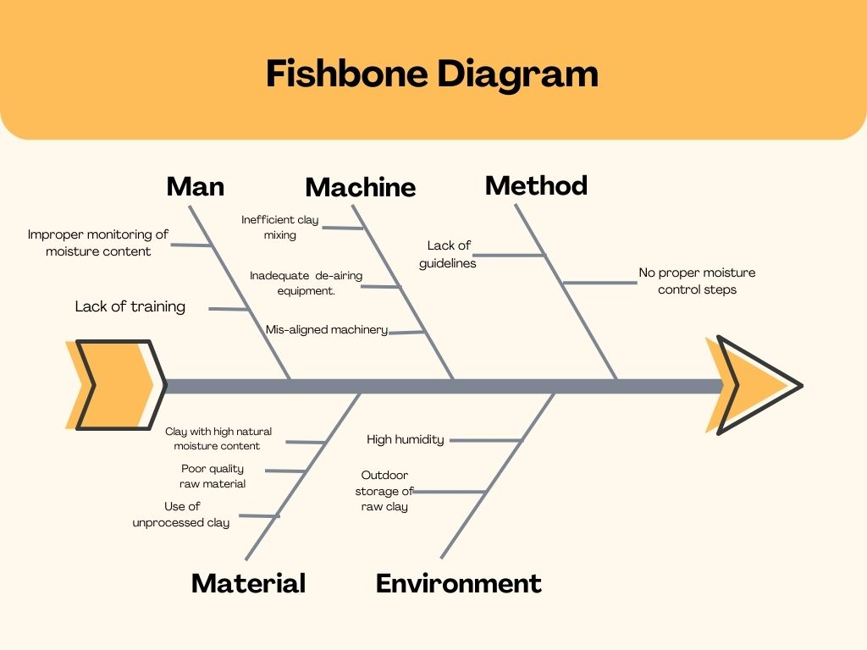

 |  |  | Bending

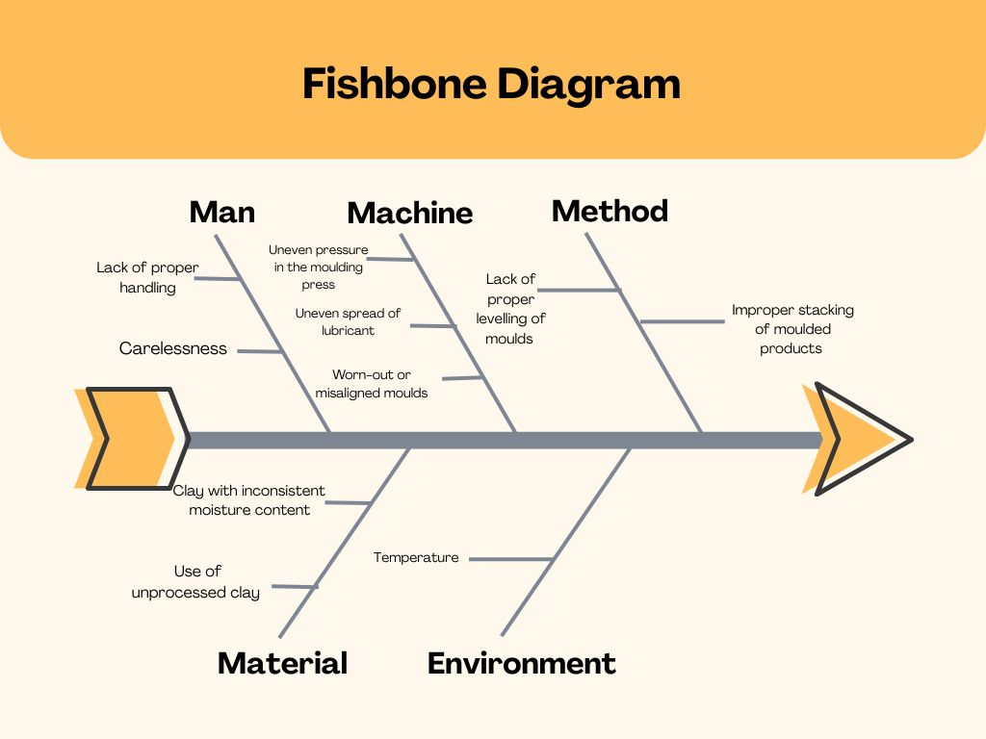

 | AHP AND QFD WITH HOQ

 | CRITERIA
1 | Frequency of Occurrence (FREQ)
2 | Severity of Impact (SEV)
3 | Cost of Repair/Rework (COST)

 | Pairwise comparison of criteria
 |  | FREQ | SEV | COST |  |  |  |  |  |  | Normalised weight | weight sum vector | consistency vector
 | FREQ | 1.00 | 0.13 | 0.33 |  |  | 0.08 | 0.09 | 0.08 | 0.25 | 0.08 | 0.25 | 3.00 | lambda | 3.002
 | SEV | 8.00 | 1.00 | 3.00 |  |  | 0.67 | 0.69 | 0.69 | 2.04 | 0.68 | 2.05 | 3.00 | CI | 0.001
 | COST | 3.00 | 0.33 | 1.00 |  |  | 0.25 | 0.23 | 0.23 | 0.71 | 0.24 | 0.71 | 3.00 | CR | 0.002
 |  | 12.00 | 1.46 | 4.33

 | Pairwise comparisons for Alternatives - Defect types
FREQUENCY
 |  | Sticky Clay | Bending | Dent |  |  |  |  |  |  | Normalised weight | weight sum vector | consistency vector
 | Sticky Clay | 1.00 | 3.00 | 9.00 |  |  | 0.69 | 0.72 | 0.56 | 1.98 | 0.66 | 2.04 | 3.10 | lambda | 3.05
 | Bending | 0.33 | 1.00 | 6.00 |  |  | 0.23 | 0.24 | 0.38 | 0.84 | 0.28 | 0.86 | 3.05 | CI | 0.03
 | Dent | 0.11 | 0.17 | 1.00 |  |  | 0.08 | 0.04 | 0.06 | 0.18 | 0.06 | 0.18 | 3.01 | CR | 0.05
 |  | 1.44 | 4.17 | 16.00

SEVERITY
 |  | Sticky Clay | Bending | Dent |  |  |  |  |  |  | Normalised weight | weight sum vector | consistency vector
 | Sticky Clay | 1.00 | 0.50 | 0.13 |  |  | 0.09 | 0.08 | 0.10 | 0.27 | 0.09 | 0.27 | 3.02 | lambda | 3.02
 | Bending | 2.00 | 1.00 | 0.20 |  |  | 0.18 | 0.15 | 0.15 | 0.49 | 0.16 | 0.49 | 3.02 | CI | 0.01
 | Dent | 8.00 | 5.00 | 1.00 |  |  | 0.73 | 0.77 | 0.75 | 2.25 | 0.75 | 2.27 | 3.03 | CR | 0.02
 |  | 11.00 | 6.50 | 1.33

COST
 |  | Sticky Clay | Bending | Dent |  |  |  |  |  |  | Normalised weight | weight sum vector | consistency vector
 | Sticky Clay | 1.00 | 1.00 | 6.00 |  |  | 0.46 | 0.43 | 0.60 | 1.49 | 0.50 | 1.53 | 3.09 | lambda | 3.05
 | Bending | 1.00 | 1.00 | 3.00 |  |  | 0.46 | 0.43 | 0.30 | 1.19 | 0.40 | 1.21 | 3.06 | CI | 0.03
 | Dent | 0.17 | 0.33 | 1.00 |  |  | 0.08 | 0.14 | 0.10 | 0.32 | 0.11 | 0.32 | 3.02 | CR | 0.05
 |  | 2.17 | 2.33 | 10.00

 |  |  |  |  | FREQ | SEV | COST | PRIORITY
 |  |  |  | Sticky Clay | 0.66 | 0.09 | 0.50 | 0.23
 |  |  |  | Bending | 0.28 | 0.16 | 0.40 | 0.23
 |  |  |  | Dent | 0.06 | 0.75 | 0.11 | 0.54

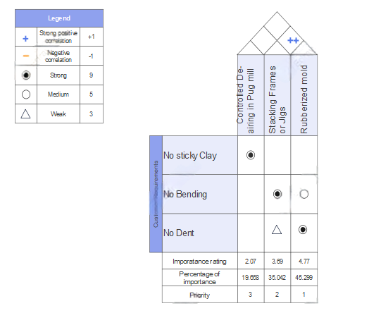

 |  | Sticky Clay | Chipping & Edge Damage | Bending | Dent | mishandling | surface crack | Dimensional Inaccuracy | Total defectives | Sample inspected
1 | Shift 1 | 25 | 1 | 15 | 2 | 0 | 1 | 5 | 49 | 500
2 | Shift 2 | 20 | 0 | 18 | 4 | 2 | 1 | 2 | 47 | 480
3 | Shift 3 | 22 | 0 | 11 | 0 | 1 | 0 | 4 | 38 | 444
4 | Shift 1 | 24 | 1 | 20 | 2 | 0 | 0 | 8 | 55 | 480
5 | Shift 2 | 12 | 0 | 22 | 3 | 1 | 0 | 7 | 45 | 433
6 | Shift 3 | 13 | 0 | 20 | 1 | 1 | 1 | 1 | 37 | 432
7 | Shift 1 | 17 | 1 | 12 | 2 | 0 | 0 | 1 | 33 | 457
8 | Shift 2 | 20 | 3 | 23 | 2 | 0 | 0 | 6 | 54 | 486
9 | Shift 3 | 22 | 1 | 11 | 4 | 3 | 1 | 8 | 36 | 400
10 | Shift 1 | 23 | 1 | 19 | 1 | 1 | 2 | 2 | 45 | 409
11 | Shift 2 | 15 | 0 | 11 | 0 | 1 | 2 | 5 | 34 | 428
12 | Shift 3 | 11 | 0 | 12 | 3 | 0 | 0 | 7 | 33 | 456
 | COUNT | 224 | 8 | 194 | 24 | 10 | 8 | 56 | 506 | 5405
 |  |  |  | DPMO | 13373.860182 | 0.013373860182
 |  |  |  | SIGMA | 3.7151798793

Post Analysis of Stage 2
SI NO. | Total defectives | Total Checked | Pi | LCL | CL | UCL
1 | 49 | 500 | 0.098 | 0.051709992514 | 0.09013034663 | 0.12855070075
2 | 47 | 480 | 0.097916666667 | 0.050917736912 | 0.09013034663 | 0.12934295635
3 | 38 | 444 | 0.085585585586 | 0.049359016469 | 0.09013034663 | 0.13090167679
4 | 49 | 480 | 0.10208333333 | 0.050917736912 | 0.09013034663 | 0.12934295635
5 | 45 | 433 | 0.103926097 | 0.048844383786 | 0.09013034663 | 0.13141630947
6 | 37 | 432 | 0.085648148148 | 0.048796626728 | 0.09013034663 | 0.13146406653
7 | 33 | 457 | 0.072210065646 | 0.049943098764 | 0.09013034663 | 0.1303175945
8 | 41 | 486 | 0.084362139918 | 0.051160541784 | 0.09013034663 | 0.12910015148
9 | 36 | 400 | 0.09 | 0.047175084868 | 0.09013034663 | 0.13308560839
10 | 45 | 409 | 0.11002444988 | 0.047650326727 | 0.09013034663 | 0.13261036653
11 | 34 | 428 | 0.079439252336 | 0.048603927688 | 0.09013034663 | 0.13165676557
12 | 33 | 456 | 0.072368421053 | 0.049899057931 | 0.09013034663 | 0.13036163533
 |  |  | 1.0815641596
 |  | P-BAR | 0.09013034663

STAGE 3
 | Cracking | Damage by Rodents | Blistering | Total Defectives | Sample Inspected
Shift 1 | 16 | 1 | 2 | 19 | 417
Shift 2 | 17 | 0 | 0 | 17 | 440
Shift 3 | 23 | 2 | 1 | 26 | 426
Shift 1 | 15 | 2 | 2 | 19 | 422
Shift 2 | 18 | 0 | 0 | 18 | 445
Shift 3 | 13 | 0 | 3 | 16 | 412
Shift 1 | 18 | 3 | 3 | 24 | 422
Shift 2 | 16 | 1 | 2 | 19 | 432
Shift 3 | 17 | 2 | 1 | 20 | 422
Shift 1 | 13 | 8 | 0 | 21 | 410
Shift 2 | 19 | 2 | 0 | 21 | 405
Shift 3 | 22 | 0 | 0 | 22 | 421
Shift 1 | 23 | 3 | 2 | 28 | 432
Shift 2 | 11 | 5 | 1 | 17 | 432
Shift 3 | 21 | 2 | 3 | 26 | 413
Shift 1 | 22 | 0 | 1 | 23 | 421
Shift 2 | 21 | 1 | 1 | 23 | 412
Shift 3 | 21 | 2 | 0 | 23 | 419
Shift 1 | 20 | 0 | 0 | 20 | 417
Shift 2 | 19 | 5 | 0 | 24 | 418
Shift 3 | 17 | 3 | 0 | 20 | 433
Shift 1 | 19 | 2 | 1 | 22 | 427
Shift 2 | 12 | 8 | 2 | 22 | 427
Shift 3 | 14 | 1 | 3 | 18 | 438
Shift 1 | 16 | 1 | 1 | 18 | 412
Shift 2 | 11 | 9 | 1 | 21 | 432
Shift 3 | 10 | 4 | 0 | 14 | 400
Shift 1 | 17 | 3 | 2 | 22 | 412
Shift 2 | 12 | 2 | 1 | 15 | 413
Shift 3 | 21 | 3 | 1 | 25 | 426
COUNT | 514 | 75 | 34 | 623 | 12658

 | DPMO | 16405.961974 | 0.016405961974
 | SIGMA | 3.6343771078

Process 3
Total defectives | Total Checked | Pi | LCL | CL | UCL
19 | 417 | 0.045563549161 | 0.017448443564 | 0.049233239624 | 0.081018035684
17 | 440 | 0.038636363636 | 0.018290332166 | 0.049233239624 | 0.080176147082
26 | 426 | 0.06103286385 | 0.017785990789 | 0.049233239624 | 0.080680488459
19 | 422 | 0.045023696682 | 0.017637303204 | 0.049233239624 | 0.080829176043
18 | 445 | 0.040449438202 | 0.018464659792 | 0.049233239624 | 0.080001819455
16 | 412 | 0.038834951456 | 0.017256156292 | 0.049233239624 | 0.081210322955
24 | 422 | 0.056872037915 | 0.017637303204 | 0.049233239624 | 0.080829176043
19 | 432 | 0.043981481481 | 0.01800513805 | 0.049233239624 | 0.080461341198
20 | 422 | 0.047393364929 | 0.017637303204 | 0.049233239624 | 0.080829176043
21 | 410 | 0.051219512195 | 0.017178258288 | 0.049233239624 | 0.081288220959
21 | 405 | 0.051851851852 | 0.016980995002 | 0.049233239624 | 0.081485484245
22 | 421 | 0.052256532067 | 0.017599800596 | 0.049233239624 | 0.080866678652
28 | 432 | 0.064814814815 | 0.01800513805 | 0.049233239624 | 0.080461341198
17 | 432 | 0.039351851852 | 0.01800513805 | 0.049233239624 | 0.080461341198
26 | 413 | 0.062953995157 | 0.017294892931 | 0.049233239624 | 0.081171586317
23 | 421 | 0.054631828979 | 0.017599800596 | 0.049233239624 | 0.080866678652
23 | 412 | 0.055825242718 | 0.017256156292 | 0.049233239624 | 0.081210322955
23 | 419 | 0.054892601432 | 0.017524393006 | 0.049233239624 | 0.080942086242
20 | 417 | 0.047961630695 | 0.017448443564 | 0.049233239624 | 0.081018035684
24 | 418 | 0.057416267943 | 0.017486486421 | 0.049233239624 | 0.080979992826
20 | 433 | 0.046189376443 | 0.018041219057 | 0.049233239624 | 0.08042526019
22 | 427 | 0.051522248244 | 0.01782283585 | 0.049233239624 | 0.080643643398
22 | 427 | 0.051522248244 | 0.01782283585 | 0.049233239624 | 0.080643643398
18 | 438 | 0.041095890411 | 0.018219766721 | 0.049233239624 | 0.080246712527
18 | 412 | 0.043689320388 | 0.017256156292 | 0.049233239624 | 0.081210322955
21 | 432 | 0.048611111111 | 0.01800513805 | 0.049233239624 | 0.080461341198
14 | 400 | 0.035 | 0.016780044494 | 0.049233239624 | 0.081686434754
22 | 412 | 0.053398058252 | 0.017256156292 | 0.049233239624 | 0.081210322955
15 | 413 | 0.036319612591 | 0.017294892931 | 0.049233239624 | 0.081171586317
25 | 426 | 0.058685446009 | 0.017785990789 | 0.049233239624 | 0.080680488459
 |  | 1.4769971887
 | P-BAR | 0.049233239624

Pareto Analaysis of Process 3
Defects | Quantity Rejected | Rejection % | Cumulative %
Cracking | 514 | 82.50 | 82.50
Damage by Rodents | 75 | 12.04 | 94.54
Blistering | 34 | 5.46 | 100.00
Total Sum | 623

 |  |  | Cracking

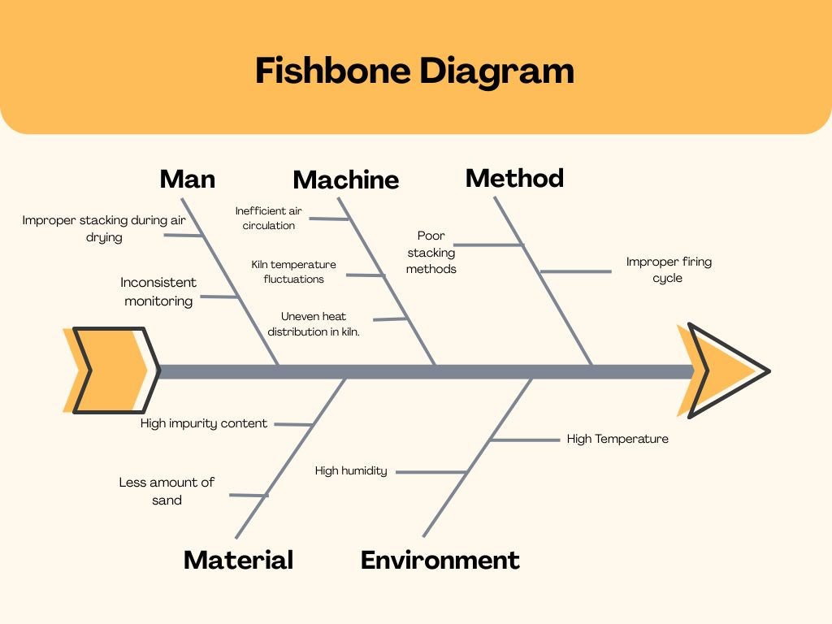

 | Cracking | Damage by Rodents | Blistering | Total Defectives | Sample Inspected
Shift 1 | 10 | 3 | 0 | 13 | 431
Shift 2 | 7 | 1 | 2 | 10 | 410
Shift 3 | 8 | 2 | 3 | 13 | 430
Shift 1 | 7 | 2 | 0 | 9 | 434
Shift 2 | 6 | 6 | 1 | 13 | 428
Shift 3 | 2 | 5 | 2 | 9 | 437
Shift 1 | 7 | 0 | 0 | 7 | 410
Shift 2 | 6 | 5 | 0 | 11 | 416
Shift 3 | 7 | 0 | 2 | 9 | 419
Shift 1 | 9 | 4 | 2 | 15 | 426
Shift 2 | 6 | 4 | 1 | 11 | 440
Shift 3 | 10 | 0 | 3 | 13 | 419
COUNT | 85 | 32 | 16 | 133 | 5100
 |  | DPMO | 8692.8104575 | 0.0086928104575
 |  | SIGMA | 3.8784494606

Post Analysis of Stage 3
Total defectives | Total Checked | Pi | LCL | CL | UCL
13 | 431 | 0.030162412993 | 0.0030385701033 | 0.026060337691 | 0.049082105279
10 | 410 | 0.024390243902 | 0.0024563504082 | 0.026060337691 | 0.049664324974
13 | 430 | 0.03023255814 | 0.0030118161517 | 0.026060337691 | 0.04910885923
9 | 434 | 0.020737327189 | 0.0031182764046 | 0.026060337691 | 0.049002398977
13 | 428 | 0.030373831776 | 0.0029580272301 | 0.026060337691 | 0.049162648152
9 | 437 | 0.020594965675 | 0.0031971605165 | 0.026060337691 | 0.048923514865
7 | 410 | 0.017073170732 | 0.0024563504082 | 0.026060337691 | 0.049664324974
11 | 416 | 0.026442307692 | 0.0026271897148 | 0.026060337691 | 0.049493485667
9 | 419 | 0.021479713604 | 0.0027112299663 | 0.026060337691 | 0.049409445416
15 | 426 | 0.035211267606 | 0.0029038599565 | 0.026060337691 | 0.049216815425
11 | 440 | 0.025 | 0.0032752364776 | 0.026060337691 | 0.048845438904
13 | 419 | 0.031026252983 | 0.0027112299663 | 0.026060337691 | 0.049409445416
 | SUM | 0.31272405229
 | P-BAR | 0.026060337691

 |  |  |  |  |  | 0

STAGE 4
 |  | Insufficient Drying | Over Drying | Mishandling | Lime Accumulation | Total defectives | Samples inspected
1 | Shift 1 | 1 | 4 | 0 | 5 | 10 | 176
2 | Shift 2 | 1 | 4 | 2 | 2 | 9 | 187
3 | Shift 3 | 2 | 7 | 1 | 1 | 11 | 198
4 | Shift 1 | 7 | 3 | 3 | 4 | 17 | 156
5 | Shift 2 | 2 | 8 | 5 | 3 | 18 | 159
6 | Shift 3 | 3 | 5 | 2 | 2 | 12 | 149
7 | Shift 1 | 5 | 6 | 3 | 5 | 19 | 177
8 | Shift 2 | 6 | 5 | 8 | 1 | 20 | 169
9 | Shift 3 | 1 | 6 | 2 | 2 | 11 | 160
10 | Shift 1 | 2 | 4 | 0 | 3 | 9 | 159
11 | Shift 2 | 2 | 8 | 0 | 4 | 14 | 193
12 | Shift 3 | 1 | 6 | 1 | 4 | 12 | 177
13 | Shift 1 | 5 | 5 | 2 | 4 | 16 | 165
14 | Shift 2 | 6 | 8 | 5 | 1 | 20 | 183
15 | Shift 3 | 3 | 8 | 7 | 2 | 20 | 177
16 | Shift 1 | 2 | 4 | 0 | 3 | 9 | 187
17 | Shift 2 | 3 | 6 | 2 | 1 | 12 | 180
18 | Shift 3 | 5 | 4 | 0 | 5 | 14 | 176
19 | Shift 1 | 6 | 5 | 0 | 2 | 13 | 133
20 | Shift 2 | 1 | 7 | 0 | 2 | 10 | 129
21 | Shift 3 | 4 | 3 | 3 | 1 | 11 | 116
22 | Shift 1 | 5 | 4 | 2 | 2 | 13 | 164
23 | Shift 2 | 2 | 4 | 1 | 4 | 11 | 188
24 | Shift 3 | 5 | 3 | 1 | 1 | 10 | 154
25 | Shift 1 | 3 | 7 | 0 | 2 | 12 | 134
26 | Shift 2 | 3 | 8 | 2 | 5 | 18 | 162
27 | Shift 3 | 2 | 5 | 1 | 2 | 10 | 128
28 | Shift 1 | 5 | 6 | 0 | 4 | 15 | 160
29 | Shift 2 | 2 | 6 | 0 | 1 | 9 | 153
30 | Shift 3 | 5 | 7 | 2 | 1 | 15 | 169
 | COUNT | 100 | 166 | 55 | 79 | 400 | 4918

 |  | DPMO | 20333.46889 | 0.02033346889
 |  | SIGMA | 3.5469098399

Process 4
SI NO. | Total defectives | Total Checked | Pi | LCL | CL | UCL
1 | 10 | 176 | 0.056818181818 | 0.025136898264 | 0.089781260744 | 0.15442562322
2 | 9 | 187 | 0.048128342246 | 0.027067017308 | 0.089781260744 | 0.15249550418
3 | 11 | 198 | 0.055555555556 | 0.028833971311 | 0.089781260744 | 0.15072855018
4 | 17 | 156 | 0.10897435897 | 0.021117957661 | 0.089781260744 | 0.15844456383
5 | 18 | 159 | 0.11320754717 | 0.021768809346 | 0.089781260744 | 0.15779371214
6 | 12 | 149 | 0.080536912752 | 0.019523572365 | 0.089781260744 | 0.16003894912
7 | 19 | 177 | 0.10734463277 | 0.025319768114 | 0.089781260744 | 0.15424275337
8 | 20 | 169 | 0.11834319527 | 0.023811693003 | 0.089781260744 | 0.15575082848
9 | 11 | 160 | 0.06875 | 0.021981681391 | 0.089781260744 | 0.1575808401
10 | 9 | 159 | 0.056603773585 | 0.021768809346 | 0.089781260744 | 0.15779371214
11 | 14 | 193 | 0.072538860104 | 0.028049546635 | 0.089781260744 | 0.15151297485
12 | 12 | 177 | 0.067796610169 | 0.025319768114 | 0.089781260744 | 0.15424275337
13 | 16 | 165 | 0.09696969697 | 0.023016850261 | 0.089781260744 | 0.15654567123
14 | 20 | 183 | 0.10928961749 | 0.026385320722 | 0.089781260744 | 0.15317720077
15 | 20 | 177 | 0.11299435028 | 0.025319768114 | 0.089781260744 | 0.15424275337
16 | 9 | 187 | 0.048128342246 | 0.027067017308 | 0.089781260744 | 0.15249550418
17 | 12 | 180 | 0.066666666667 | 0.025859204314 | 0.089781260744 | 0.15370331717
18 | 14 | 176 | 0.079545454545 | 0.025136898264 | 0.089781260744 | 0.15442562322
19 | 13 | 133 | 0.097744360902 | 0.015417529909 | 0.089781260744 | 0.16414499158
20 | 10 | 129 | 0.077519379845 | 0.014273405325 | 0.089781260744 | 0.16528911616
21 | 11 | 116 | 0.094827586207 | 0.010154693003 | 0.089781260744 | 0.16940782848
22 | 13 | 164 | 0.079268292683 | 0.022813609577 | 0.089781260744 | 0.15674891191
23 | 11 | 188 | 0.058510638298 | 0.0272340329 | 0.089781260744 | 0.15232848859
24 | 10 | 154 | 0.064935064935 | 0.020673530348 | 0.089781260744 | 0.15888899114
25 | 12 | 134 | 0.089552238806 | 0.015695526138 | 0.089781260744 | 0.16386699535
26 | 18 | 162 | 0.11111111111 | 0.022401497064 | 0.089781260744 | 0.15716102442
27 | 10 | 128 | 0.078125 | 0.013979026604 | 0.089781260744 | 0.16558349488
28 | 15 | 160 | 0.09375 | 0.021981681391 | 0.089781260744 | 0.1575808401
29 | 9 | 153 | 0.058823529412 | 0.020448055914 | 0.089781260744 | 0.15911446557
30 | 15 | 169 | 0.08875739645 | 0.023811693003 | 0.089781260744 | 0.15575082848
 |  |  | 2.4611166973
 |  | P-BAR | 0.082037223242

Pareto Analysis of Process 4
SI NO. | Defects | Quantity Rejected | Rejection % | Cumulative %
2 | Over Drying | 166 | 42.03 | 42.03
1 | Insufficient Drying | 100 | 25.32 | 67.34
4 | Lime Accumulation | 79 | 20.00 | 87.34
3 | Mishandling | 50 | 12.66 | 100.00
 | Total Sum | 395

 |  |  | Over Drying

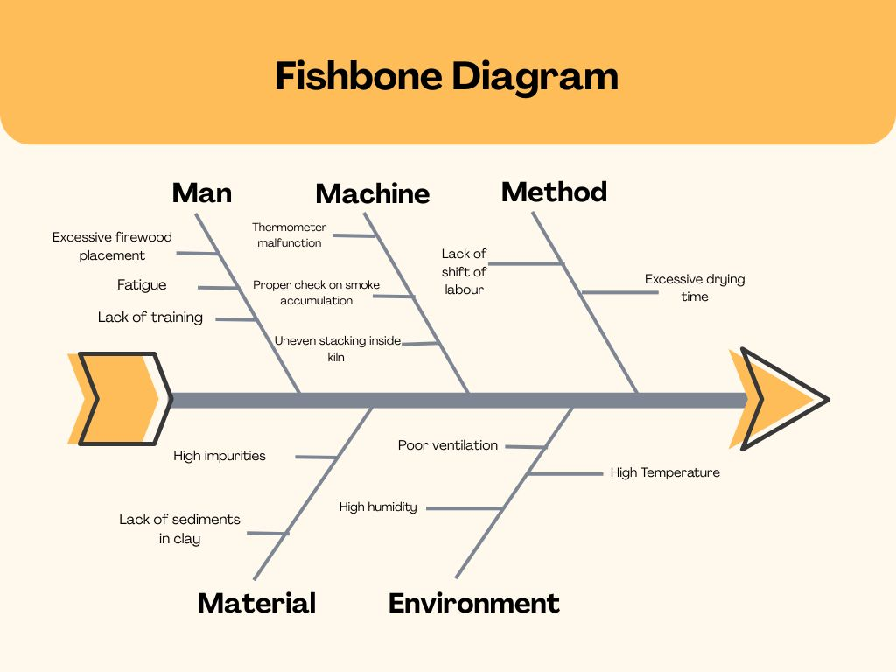

 |  |  | Insufficient Drying

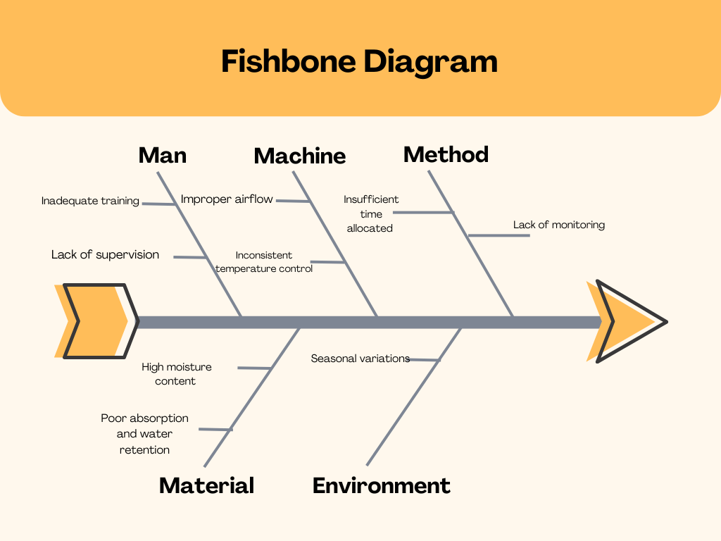

 |  |  | Lime Accumulation

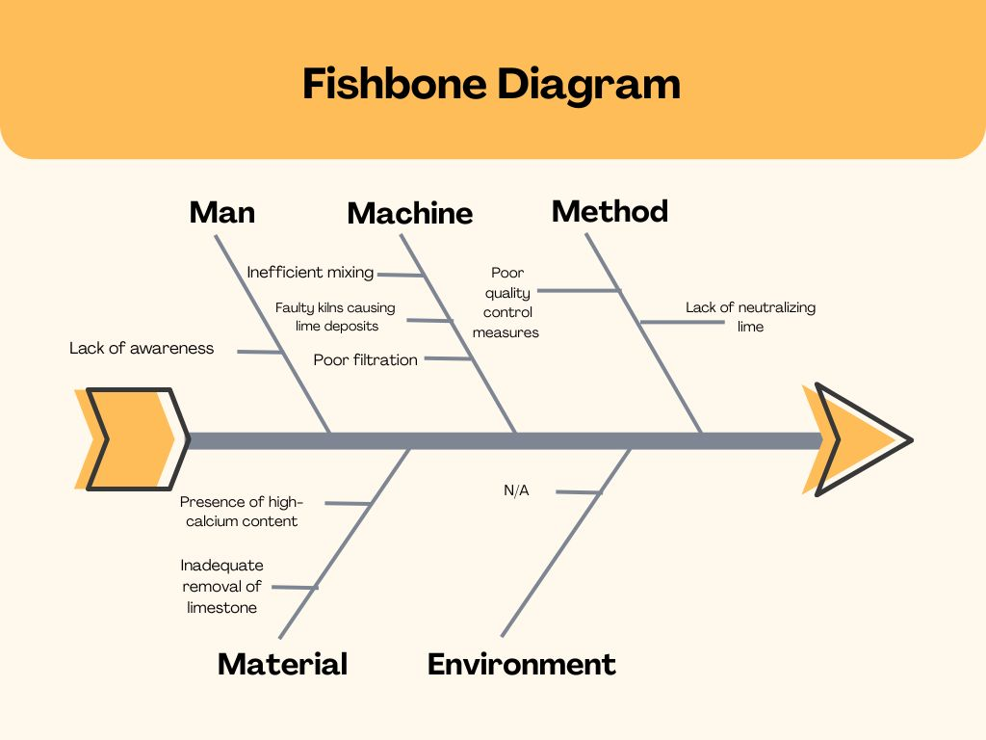

 |  | RISK PRIORITY NUMBER DEFECT:OVER DRYING

NO | Potential Failure Mode | Severity | Occurance | Detection | RPN | Priority
1 | Excessive Drying time | 4 | 4 | 3 | 48 | 2
2 | Uneven Air flow | 3 | 3 | 4 | 36 | 3
3 | High Temperature | 4 | 5 | 3 | 60 | 1
4 | Improper Stacking in the kiln | 3 | 2 | 3 | 18 | 4
5 | Lack of Sediments | 2 | 2 | 2 | 8 | 5

 |  | RISK PRIORITY NUMBER DEFECT: INSUFFICIENT DRYING

NO | Potential Failure Mode | Severity | Occurance | Detection | RPN | Priority
1 | Excessive Moisture in the clay | 5 | 4 | 2 | 40 | 1
2 | High Moisture content in the environment | 5 | 3 | 2 | 30 | 2
3 | Inadequate drying time | 5 | 4 | 1 | 20 | 3
4 | Improper Stacking in the kiln | 4 | 2 | 2 | 16 | 4
5 | Uneven Air Flow | 5 | 3 | 1 | 15 | 5

 |  | RISK PRIORITY NUMBER DEFECT: LIME ACCUMULATION

NO | Potential Failure Mode | Severity | Occurance | Detection | RPN | Priority
1 | High Calcium Content | 5 | 4 | 1 | 20 | 4
2 | No proper separation or washing | 4 | 3 | 3 | 36 | 2
3 | Low quality of clay | 5 | 3 | 2 | 30 | 3
4 | Use of hard water while processing | 5 | 3 | 4 | 60 | 1

 |  | Insufficient Drying | Over Drying | Mishandling | Lime Accumulation | Total defectives | Samples inspected
1 | Shift 1 | 8 | 2 | 3 | 2 | 12 | 170
2 | Shift 2 | 1 | 3 | 4 | 3 | 11 | 170
3 | Shift 3 | 3 | 0 | 0 | 5 | 9 | 187
4 | Shift 1 | 5 | 1 | 3 | 3 | 12 | 160
5 | Shift 2 | 0 | 7 | 0 | 0 | 8 | 178
6 | Shift 3 | 2 | 2 | 2 | 7 | 13 | 167
7 | Shift 1 | 4 | 6 | 3 | 7 | 15 | 170
8 | Shift 2 | 0 | 3 | 6 | 1 | 10 | 179
9 | Shift 3 | 6 | 6 | 0 | 0 | 12 | 150
10 | Shift 1 | 0 | 0 | 1 | 2 | 13 | 166
11 | Shift 2 | 2 | 2 | 1 | 1 | 11 | 200
12 | Shift 3 | 1 | 5 | 0 | 3 | 10 | 180
 | COUNT | 32 | 37 | 23 | 34 | 136 | 2077

 |  |  | DPMO | 16369.764083 | 0.016369764083
 |  |  | SIGMA | 3.6352630642

Post Analysis of Stage 4
SI NO. | Total defectives | Total Checked | Pi | LCL | CL | UCL
1 | 12 | 170 | 0.070588235294 | 0.0089815902824 | 0.066181717997 | 0.12338184571
2 | 11 | 170 | 0.064705882353 | 0.0089815902824 | 0.066181717997 | 0.12338184571
3 | 9 | 187 | 0.048128342246 | 0.011643536121 | 0.066181717997 | 0.12071989987
4 | 12 | 160 | 0.075 | 0.0072211759055 | 0.066181717997 | 0.12514226009
5 | 8 | 178 | 0.044943820225 | 0.010281763032 | 0.066181717997 | 0.12208167296
6 | 13 | 167 | 0.077844311377 | 0.0084701035516 | 0.066181717997 | 0.12389333244
7 | 15 | 170 | 0.088235294118 | 0.0089815902824 | 0.066181717997 | 0.12338184571
8 | 10 | 179 | 0.055865921788 | 0.010438126848 | 0.066181717997 | 0.12192530915
9 | 12 | 150 | 0.08 | 0.0052875319693 | 0.066181717997 | 0.12707590403
10 | 13 | 166 | 0.078313253012 | 0.0082965343945 | 0.066181717997 | 0.1240669016
11 | 11 | 200 | 0.055 | 0.013445805954 | 0.066181717997 | 0.11891763004
12 | 10 | 180 | 0.055555555556 | 0.010593185817 | 0.066181717997 | 0.12177025018
 |  |  | 0.79418061597
 |  | P-BAR | 0.066181717997

